Sheet1
Sum of Total Sales
$3,643,616

Analyze
KPI's | Total Sales |  | Total Profit |  |  | Total Profit Margin | Average Profit Margin

1. Display Total and Average Sales of all Retailers
2. Display Total and Average Sales per Brand
3. Compare Retailers for 2022-2023

Sum of Total Sales |  |  | Sum of Units Sold |  |  | Average of Operating Margin | Average of Operating Profit
$3,643,616 |  |  | 6,869,850 |  |  | 40% | $531.76

Sum of Total Sales | Column Labels
Row Labels | 2022 | 2023
Amazon |  | $163,960 | Amazon | $- | $163,960.00
BevCo | $17,879 | $487,492 | BevCo | $17,879.30 | $487,491.60
FizzyCo |  | $165,867 | FizzyCo | $- | $165,867.00
Target |  | $855,119 | Target | $- | $855,119.00
Walmart |  | $83,301 | Walmart | $- | $83,300.80
West Soda | $983,961 | $886,037 | West Soda | $983,961.00 | $886,037.00

Sum of Total Sales | Column Labels
Row Labels | 2022 | 2023
Coca-Cola | $204,217 | $534,782 | Coca-Cola | $204,216.50 | $534,782.30
Dasani Water | $188,223 | $515,582 | Dasani Water | $188,222.70 | $515,581.90
Diet Coke | $187,856 | $488,278 | Diet Coke | $187,856.20 | $488,277.70
Fanta | $132,121 | $334,961 | Fanta | $132,121.30 | $334,960.70
Powerade | $129,178 | $353,560 | Powerade | $129,178.30 | $353,559.50
Sprite | $160,245 | $414,613 | Sprite | $160,245.30 | $414,613.30

Row Labels | Total Retailer Sales | Average of Operating Profit |  |  | SALES | AVERAGE
2022 | $1,001,840 | $605 | 2022 | Qtr1 | $323,851.90 | $483.18
Qtr1 | $323,852 | $483 |  | Qtr2 | $344,406.80 | $678.35
Qtr2 | $344,407 | $678 |  | Qtr3 | $208,967.60 | $761.24
Qtr3 | $208,968 | $761 |  | Qtr4 | $124,614.00 | $662.06
Qtr4 | $124,614 | $662 | 2023 | Qtr1 | $736,899.30 | $435.69
2023 | $2,641,775 | $510 |  | Qtr2 | $777,225.00 | $517.24
Qtr1 | $736,899 | $436 |  | Qtr3 | $608,363.10 | $597.23
Qtr2 | $777,225 | $517 |  | Qtr4 | $519,288.00 | $524.62
Qtr3 | $608,363 | $597
Qtr4 | $519,288 | $525
Grand Total | $3,643,616 | $532

Dashboard
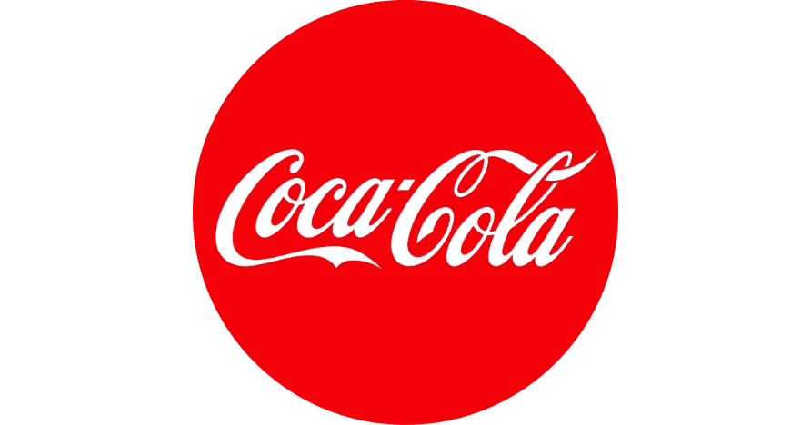
COCA COLA SALES DASHBOARD

TOTAL UNITS SOLD
TOTAL SALES
AVERAGE OPERATING MARGIN
AVERAGE OPERATING PROFIT
$3,643,616
6,869,850
40%
$531.76

SALES BY BEVERAGE BRAND
SALES BY RETAILER

BRAND | SALES 2022 | SALES 2023 | VARIANCE | RETAILER | SALES 2022 | SALES 2023 | VARIANCE
Coca-Cola | $204,216.50 | $534,782.30 | $330,565.80 | FizzyCo | $- | $165,867.00 | $165,867.00
Dasani Water | $188,222.70 | $515,581.90 | $327,359.20 | BevCo | $17,879.30 | $487,491.60 | $469,612.30
Diet Coke | $187,856.20 | $488,277.70 | $300,421.50 | Target | $- | $855,119.00 | $855,119.00
Sprite | $160,245.30 | $414,613.30 | $254,368.00 | West Soda | $983,961.00 | $886,037.00 | $-97,924.00
Powerade | $129,178.30 | $353,559.50 | $224,381.20 | Amazon | $- | $163,960.00 | $163,960.00
Fanta | $132,121.30 | $334,960.70 | $202,839.40 | Walmart | $- | $83,300.80 | $83,300.80
TOTALS | $1,001,840.30 | $2,641,775.40 | $1,639,935.10 | TOTAL | $1,001,840.30 | $2,641,775.40 | $1,639,935.10
SALES AND AVERAGE PROFIT COMPARISON FOR 2022-2023
 | SALES | AVERAGE
Qtr1 | $323,851.90 | $483.18
Qtr2 | $344,406.80 | $678.35
Qtr3 | $208,967.60 | $761.24
Qtr4 | $124,614.00 | $662.06
Qtr1 | $736,899.30 | $435.69
Qtr2 | $777,225.00 | $517.24
Qtr3 | $608,363.10 | $597.23
Qtr4 | $519,288.00 | $524.62

